1. General specifications
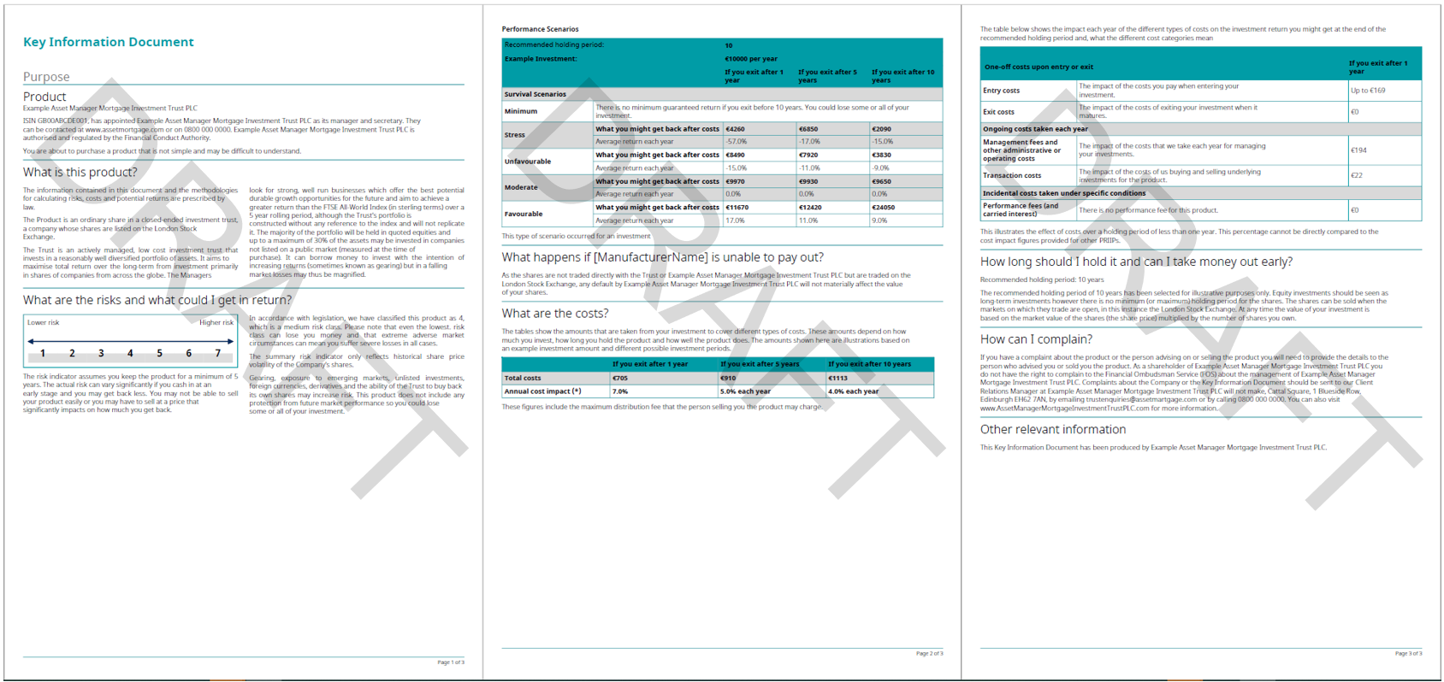
 |  |  |  |  |  | generic KID example - for illustration only
Client Name: | MSIM |  |  |  | Additional elements to be provided to FE fundinfo (where relevant): Logo(s) (header/footer) in eps, ai, svg format Font (in the following versions: bold, italic, bold/italic – must be UTF-8 compliant) KID mock-up If available, design guidelines of the company
Fund Name: | All funds
Template Name*: | priipskid_MSIM_202307_EU
Theme Name*: | MSIM_theme_202307_EU

* To be completed by FE Fundinfo if new template
Category | Information | Preferred format / Specific need | Client input | pF input | Comments
Protection | Password KID protection | Y, N |  | N
Document layout | Top up margin | mm, cm |  | 1,00 cm
Document layout | Top down margin | mm, cm |  | 1,00 cm
Document layout | Left margin | mm, cm |  | 0,80 cm
Document layout | Right margin | mm, cm |  | 0,80 cm
Document layout | multiple columns of text | Y, N |  | Y for 2 sections : - What is this product ? - What are the risks and what could I get in return ?
Document layout | Text column display | fixed, floating or balancing |  | balancing | fixed: text will remain in the predefined column, no matter if the text is too long. floating: the overflow text from column B will go on column A. balancing: the columns are as balanced as possible
Document layout | Gutter between columns | mm, cm |  | 0,50 cm
Logo | Header logo object | eps, svg
Logo | Header logo width | mm, cm
Logo | Header logo height | mm, cm
Logo | Header logo position | Top left, top right, centered,…
Logo | Logo on first page only | Y, N
Logo | margin for each side of the logo (top, right, bottom, and left). | mm, cm
Logo | Other logo (e.g. Footer,…) | Y, N |  |  | If "Y" please provide all information above for logo
Decorative line or background | Color | RGB, HEX (0-0-0) |  | Blue : RGB 71 119 153
Decorative line or background | Width | pts if line, mm or cm if background |  | 0,02 cm
Decorative line or background | Position | Top, bottom or between elements |  | top | Define the position of each line in the document
Decorative line or background | Margins (external margin if a line, external and internal margin if a background) | mm, cm |  | Left and right margin :0,80 cm Bottom : 0,30 cm Top : 0,30 cm | Space between lines and elements (top, left, right and bottom)

Page numbering | Are the pages numbered? | Y,N |  | Y
Page numbering | Page number position if applicable | bottom/top - left/center/right |  | Bottom - left

Section title | Space before section title | mm, cm |  | 0,30 cm
Section title | Space after section title | mm, cm |  | 0,30 cm
Body text | Space between paragraphs | millimetres baseline to baseline + leading |  | 0,25 cm
Body text | Space between lines (leading) | % |  | line spacing single

SRI | Rectangles width | mm, cm |  | 1,20 cm
SRI | Rectangles height | mm, cm |  | 0,75 cm
SRI | Font size - default SRI | pts |  | 19 pts
SRI | Font size - Current SRI | pts |  | 19 pts
SRI | Font color – default | RGB |  | Blue : RGB 71 119 153
SRI | Font color – current | RGB |  | White : RGB 255 255 255
SRI | Table border color | RGB |  | Blue : RGB 71 119 153
SRI | Table background color – default SRI | RGB |  | Grey : RGB 221 226 228
SRI | Table background color – current SRI | RGB |  | Blue : RGB 71 119 153
SRI Legend | Arrow color | RGB |  | Navy blue Blue : RGB 63 110 163
SRI Legend | Arrow position | top, bottom |  | Bottom
SRI warning | Triangle color | RGB, HEX (0-0-0) |  | RGB 237 200 126
SRI warning | Exclamation mark - size | pts |  | Width : 0.15 cm Height : 0.50 cm Position X : 0.87 Position Y : 5.67 cm
SRI warning | Exclamation mark - color | RGB, HEX (0-0-0) |  | RGB 128 128 128
SRI warning | Triangle + Exlamation mark inside | to be provide in eps, ai, svg

Tables : Peformance scenario table Cost overtime table Breakdown of the cost | Decimal separator | . Or , |  | .
 | Thousand separator | , Or space |  | Space
 | Enable page continuation | Y, N |  | Y
 | Currency format | symbol after value / symbol before value/ acronym after value / acronym before value |  | symbol before value
 | border line - color | RGB, HEX (0-0-0) |  | Blue : RGB 71 119 153
 | border line - width | pts |  | 0,02 cm

